Box Culvert
BOX CULVERT ESTIMATE

B

 |  |  |  | Box Culvert Details
 |  |  |  |  | B = | 1.20 | meters
 |  |  |  |  | Thickness = | 150.00 | mm
 |  |  |  |  | Rebar = | 16.00 | mm
B
 |  |  |  |  | Rebar Spacing = | 200.00 | mm
 |  |  |  |  | Barrels = | Double | barrel
 |  |  |  |  | Length = | 15.00 | meters

 |  |  |  | Calculations
 |  |  |  |  | Concrete Volume = | 19.95 | cubic meters

 | Materials |  |  |  | Unit Cost | Cost
 |  | Cement = | 180.00 | bags | 215.00 | 38,700.00
 |  | Gravel = | 19.95 | cubic meters | 1,250.00 | 24,937.50
 |  | Sand = | 9.98 | cubic meters | 200.00 | 1,995.00
 |  | No. of Rebars = | 323.00 | pcs of 16mm | 395.00 | 127,585.00
 |  | 1/2 Phenolic = | 64.00 | pcs | 1,250.00 | 80,000.00
 |  | 2x3x10 Palochina = | 384.00 | pcs | 350.00 | 134,400.00
 |  | Tie Wire = | 307.95 | kg |  | -
 |  |  | 13.00 | rolls | 2,250.00 | 29,250.00
 |  |  |  |  | MATERIAL COST = | 436,867.50
 |  | LABOR COST (35% MATERIAL COST) = |  |  |  | 152,903.63

 |  |  |  |  | TOTAL PROJECT QUOTE = | 589,771.13

Grouted Riprap
GROUTED RIPRAP COSTING

B top
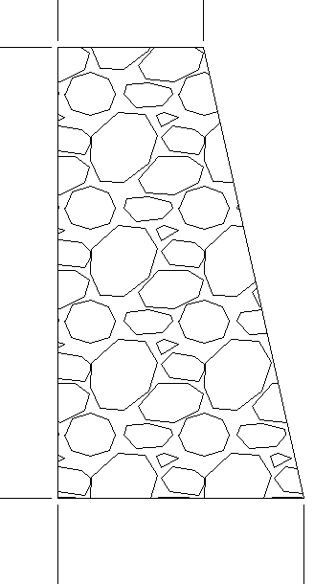
 | INPUTS
 | B top = | 0.50 | meters
 | B bottom = | 2.00 | meters
 | H = | 3.00 | meters
 | Length = | 20.00 | meters

H

 | CALCULATION
 | Volume of Riprap = | 75.00 | cubic meters

B bottom
 | MATERIALS
 | Boulders = | 75.00 | cubic meters | ₱1,500.00 | ₱112,500.00
 | Cement = | 188.00 | bags | ₱220.00 | ₱41,360.00
 | Sand = | 10.13 | cubic meters | ₱200.00 | ₱2,025.00
 | Weepholes = | 10.00 | pcs 3in pvc @ top | ₱250.00 | ₱2,500.00
 |  | 10.00 | pcs 3in pvc @ bottom | ₱250.00 | ₱2,500.00
 | TOTAL MATERIALS COST = |  |  |  | ₱160,885.00

 | Output = | 0.50 | cubic meter/hr
 | Duration = | 150.00 | hrs

 | Manpower
 | 2 Skilled = | 145.00 | pesos/hr
 | 3 Labor = | 150.00 | pesos/hr
 |  | 295.00 | pesos/r

 | TOTAL LABOR COST - |  |  |  | 44,250.00

 | Estimated Cost Per Cubic Meter
 | Materials = | 2,145.13
 | Labor = | 590.00

